1 Group ID
 | Manual page number and procedure
 | User Manual Pg 6-About iPRECIO (Important)
 | User Manual Pg 9-11 Workflow manual

 | User Manual Pg 31
 | Run IMS-310R Application Software
 | Before Starting a Study Pg 24 User Manual
 | Create <Infusion Profile> /Group ID Pg 25
 | In this example, Defaut Activation will be used where catheter connection and pump filling will carried out prior to <Start All> to program the pumps. See page 26 and 33 of User Manual

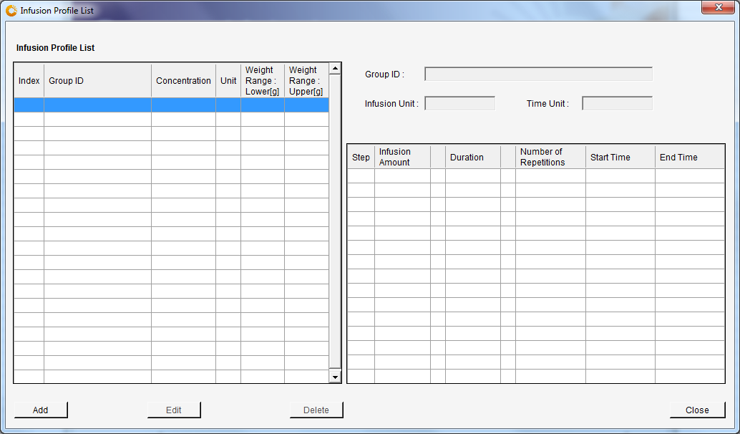
 | Open <Infusion Profile> menu and click <Add>

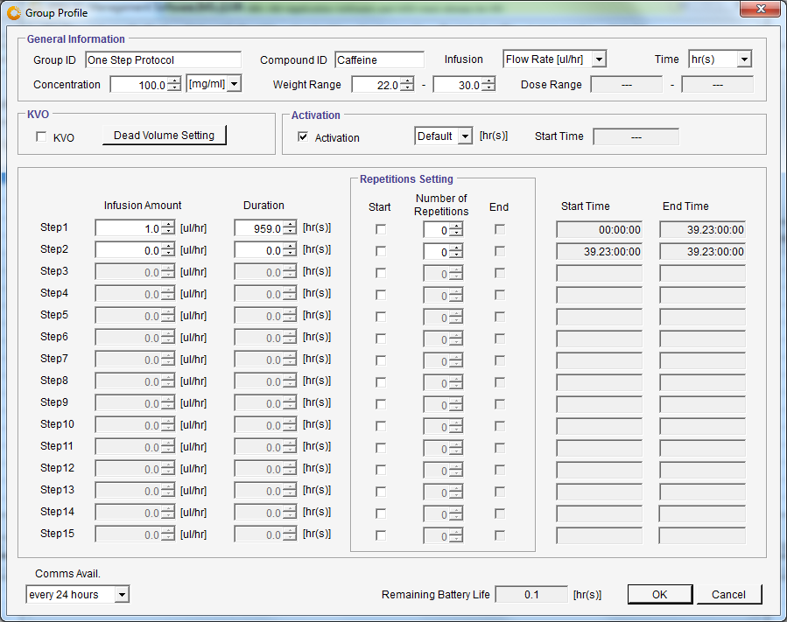
 | User Manual Pg 27 User Manual
 | Group Profile

 | Activation Setting - Not Changed from Default Setting (Pg 26 User Manual)

 | Change Comms Avail.
 | <every 24 hours>
 | gives close to maximum duration

 | One step protocol without using KVO with Dead Volume Setting
 | one log only for flow step / See appendix E How to use log data on pg 65 to 69
 | 776 hrs duration
 | 32.3 days
 | If more logs required see Worksheet <Two step repeating protocol>

 | Group ID
 | Compound ID
 | Concentration
 | Infusion (uL/hrs)
 | Time (hrs)
 | weight range
 | Click <OK> to save to be used later

 | Note
 | To collect logs, PC IMS-310R Application Software and UCD must always be ON

 | Programmed to maximum battery of pump where battery life is showing a positive number in black.
 | 24 hour communication availability

 | Now it is possible to start a new study
 | If surgery dates being planned, consider the Preliminary Implantation for SMP-310 Pumps on Pg 30 of User Manual

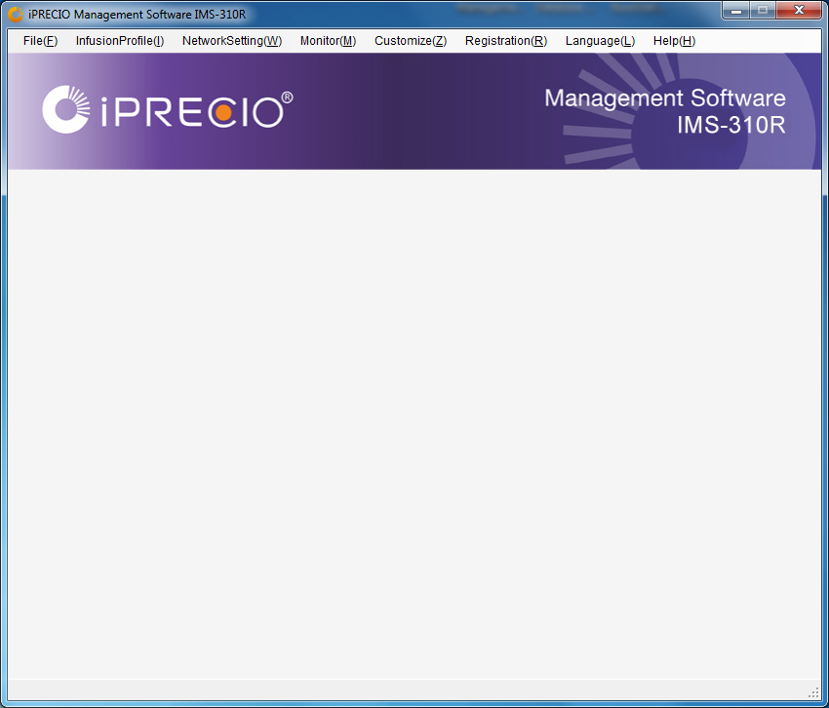
 | Manual page number and procedure
 | User Manual Pg 6-About iPRECIO (Important)
 | User Manual Pg 9-11 Workflow manual

 | User Manual Pg 31
 | Run IMS-310R Application Software
 | File(F) Click <New>
 | Starts New Study
 | Fill in details

 | User Manual Pg 22
 | Click <Network Setting>
 | Click <Connect>
 | Network Setting <Connected>
 | Means connection to UCD OK

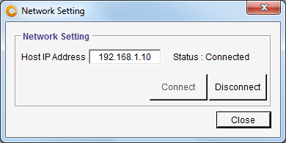

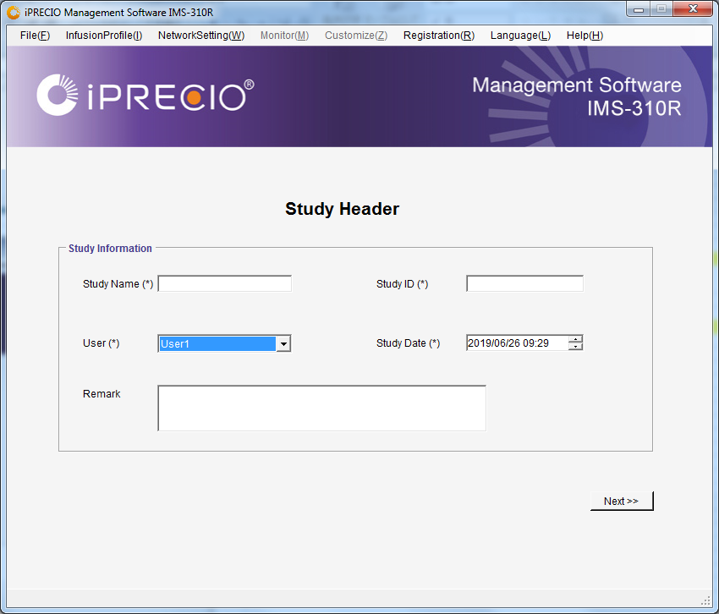
 | User Manual Pg 32
 | Fill out fields
 | Study Name
 | Study ID
 | Remark
 | Click <Next>

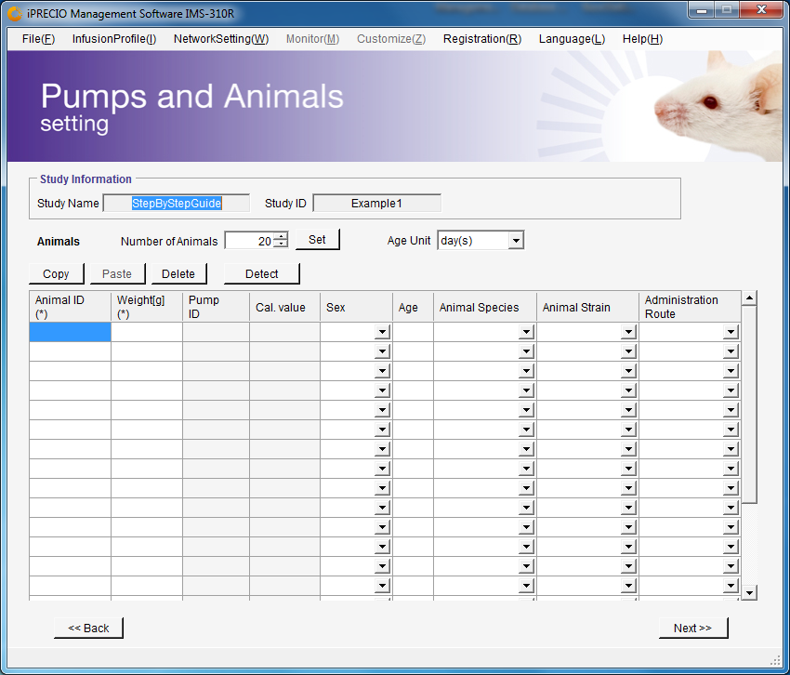
 | User Manual Pg 32
 | Number of Animals
 | Modify to 6
 | Click <Set>
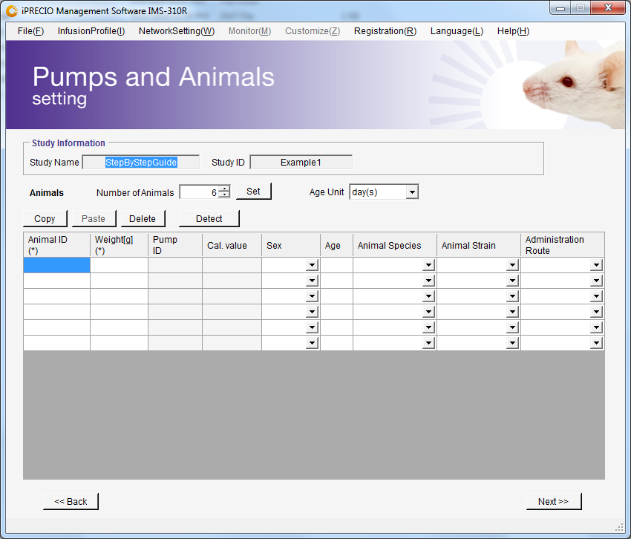

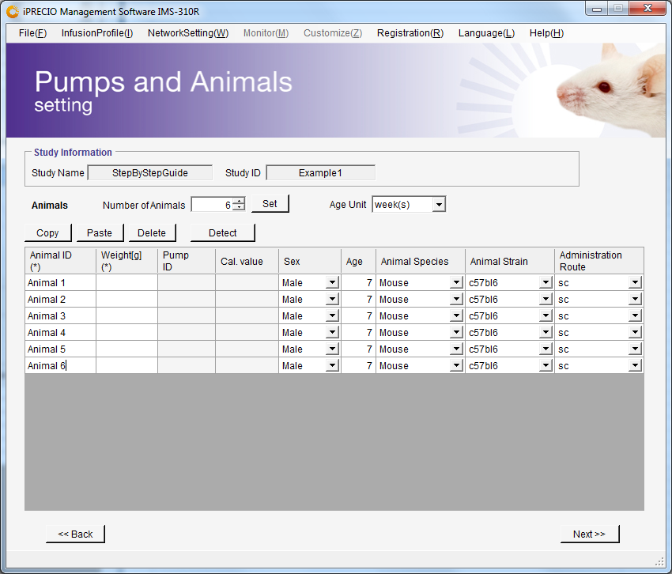
 | Pump S/N (Filled automatically)
 | Pump Cal Factor (Filled automatically)
 | Fill fields
 | Animal ID
 | Weight
 | Sex
 | Animal species
 | Animal Strain
 | Administration Route
 | Important to make sure pump is associated with right animal and modify if required.
 | User Manual Pg 32
 | Click <Detect>
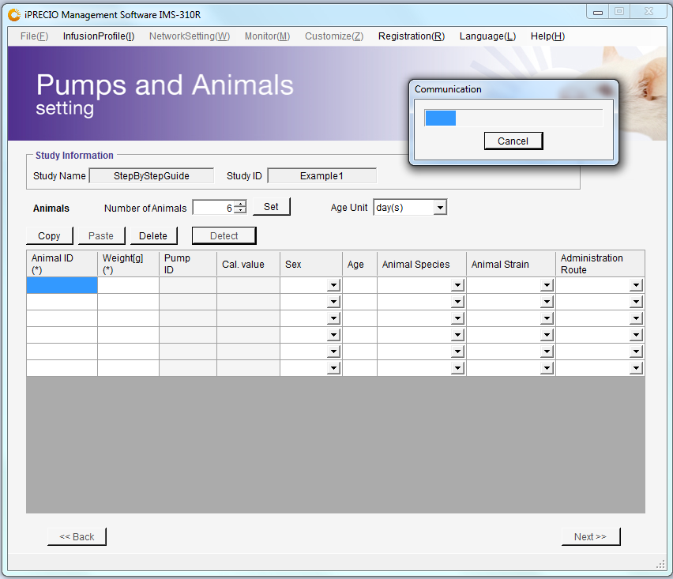
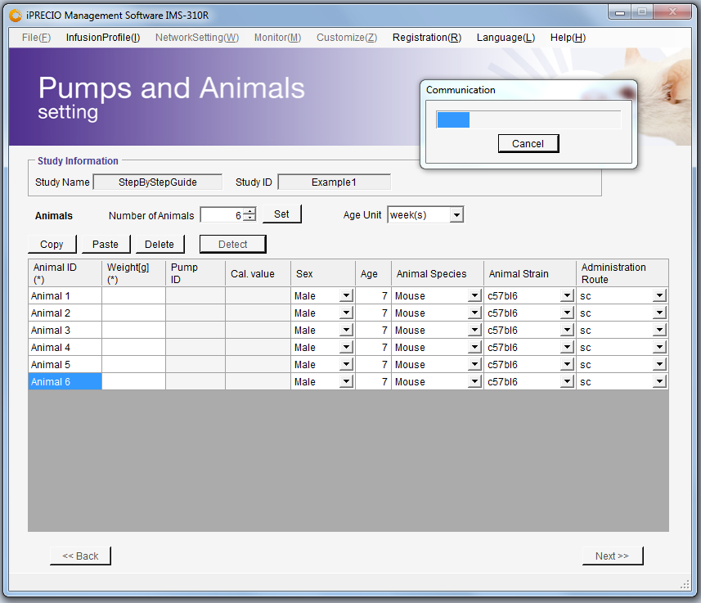

 | Possible to fill during detection process or wait for pumps to be detected first

 | Next Step is Preparing Pump and Catheter, see User Manual Page 33. See also relevant Surgical Tech Note.
 | Option (A) where Default Activation is used.
 | Pumps will need to taken out of their blister packs in a sterile environment.
 | Cut Catheter to length and add additional catheter if required.
 | Fill all pumps with Test Article (TA) or Drug prior to switching ON pump in process described on Page 35 of User Manual

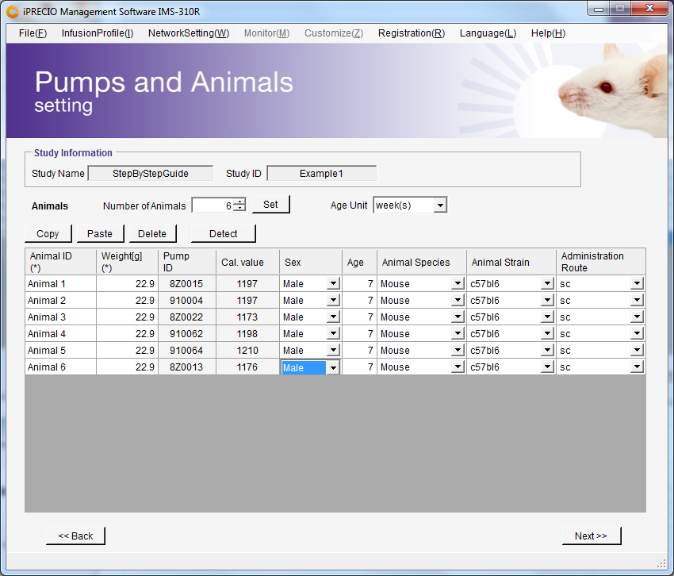
Important to make sure pump is associated with right animal and modify if required.
 | Switch ON prepared and filled pumps with iPRECIO Magnet, User Manual Page 35

 | IMS-310R Application Software should also be in Pump Detecting Mode as outlined earlier.
 | As pumps are switched ON, pumps SN and calibration factor are collected.
 | Following this process will be the most efficient to detect the pumps quickly.

 | Pump S/N (Filled automatically) as pumps detected
 | Pump Cal Factor (Filled automatically) as pumps detected
 | Click <Next>
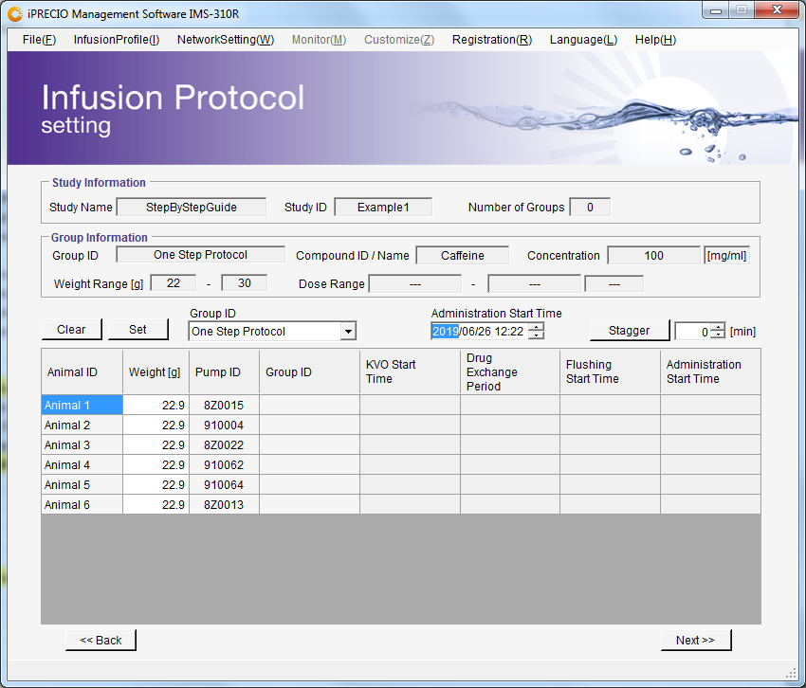

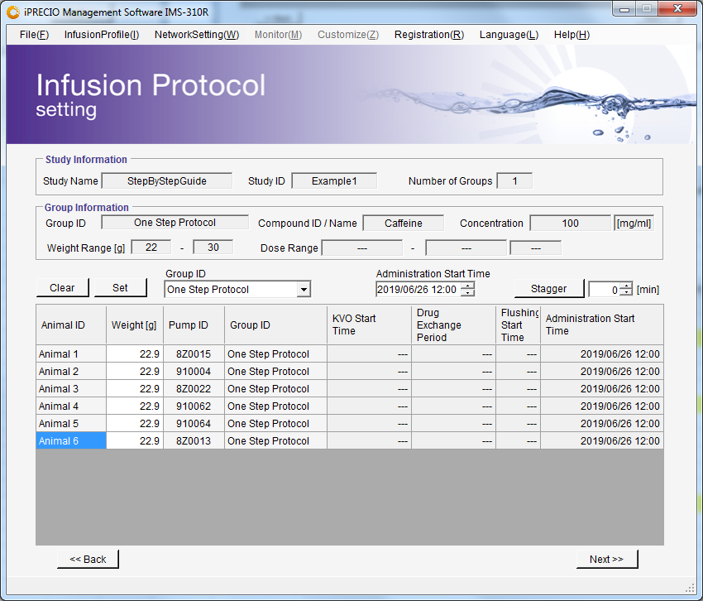

 | Infusion Protocol Setting. See page 37 of User Manual
 | In this one step protocol example. KVO was not programmed and therefore only Administration Start Time required
 | Select Group ID to assign to animal (pump)- Important to make sure pump is associated with right animal and modify if required.
 | Modify Administration Start Time to required time
 | Click on Animal (pump) for assignment and click <Set>
 | Repeat process as required until all animals (pumps) are <Set> with correct Group ID(s) and start time(s)

 | User Manual Pg 14
 | See table on page 14
 | Require 5 minutes to 30 minutes to program pumps
 | Start programming pumps at 1 hour before planned surgery to have some margin
 | In example, <Start All> should be clicked before or on 11am
 | Once all completely filled, click <Next>
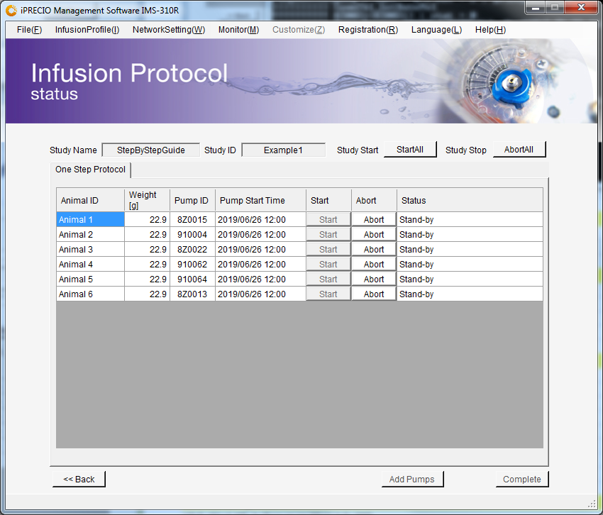
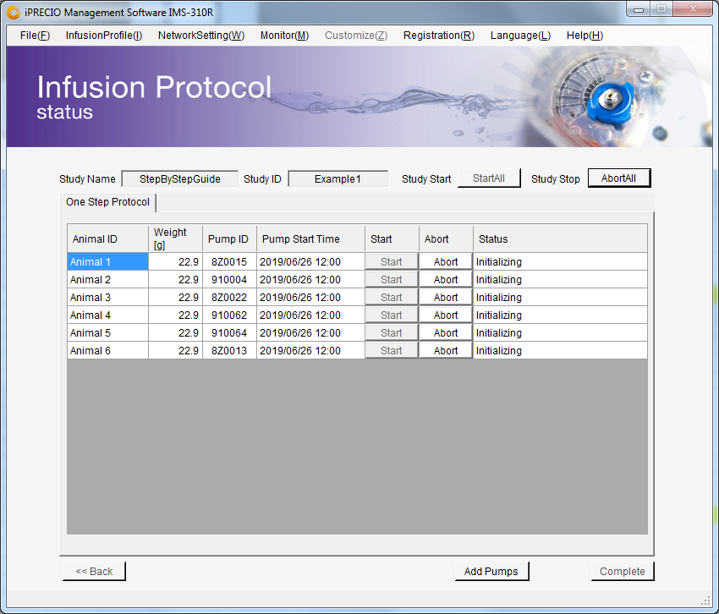

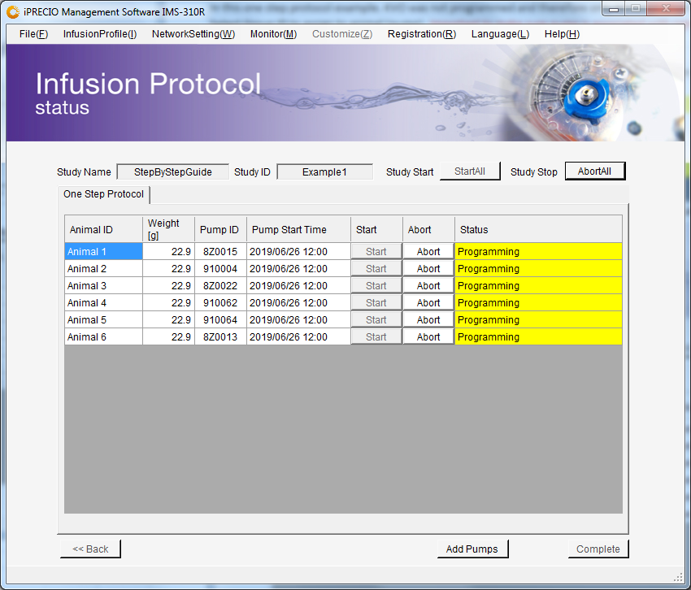
 | User Manual Pg 39-40
 | Click <Start All> before or on 10am June 26th
 | This will allow enough time for all pumps to be programmed
 | Pumps may be implanted after Light Green

 | After all pumps complete programmed (Dark Green), ready for implant
 | It is also possible to program pumps on Light Green. However, <Received a schedule> log of pump has not been received as a record of correct programming.

 | Export logs after all pumps go dark green

 | User Manual Pg 49
 | Click File(F) <Export>
 | Export Study File with logs
 | For your records / examples below

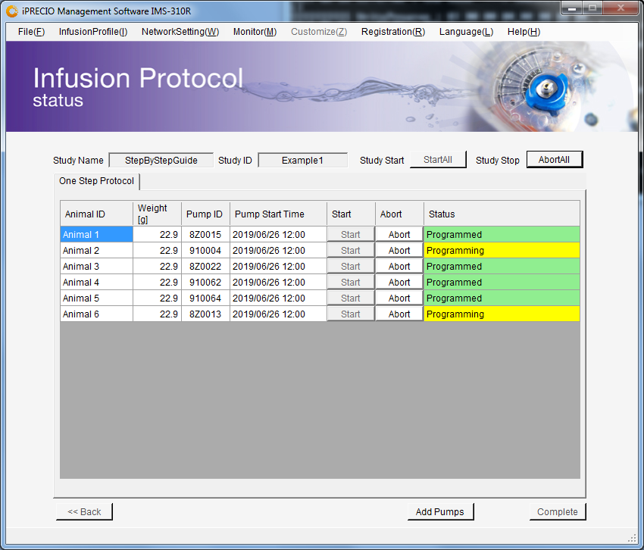
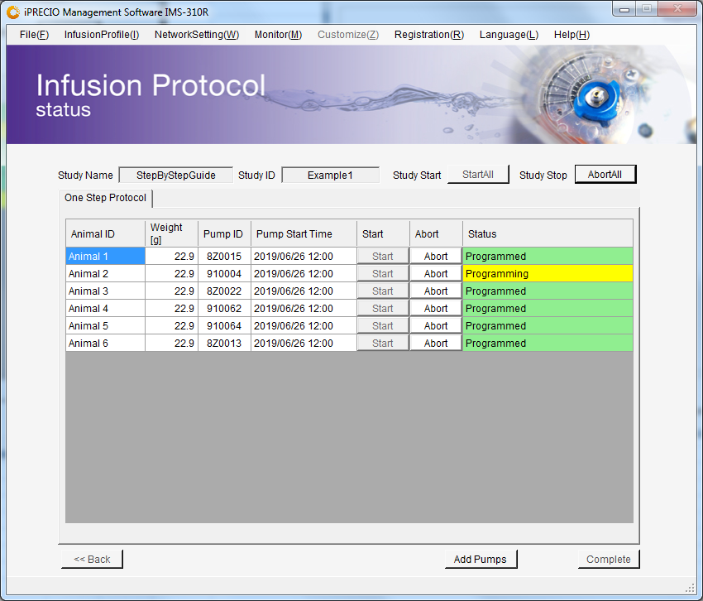
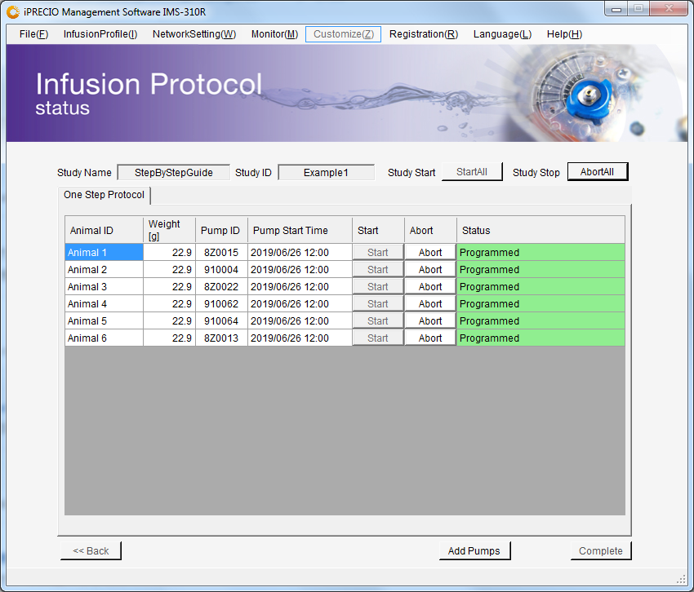

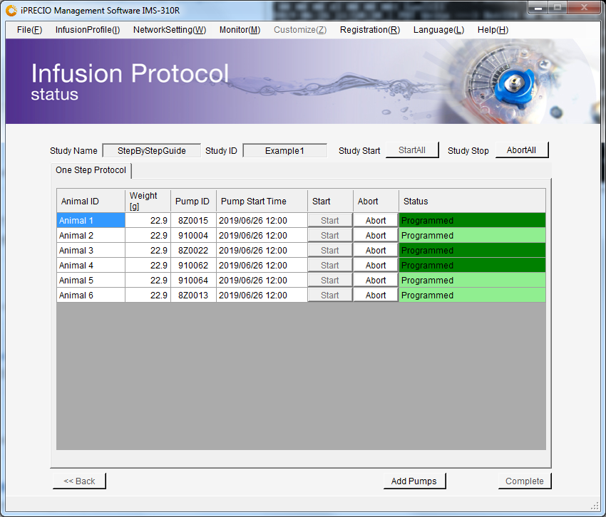
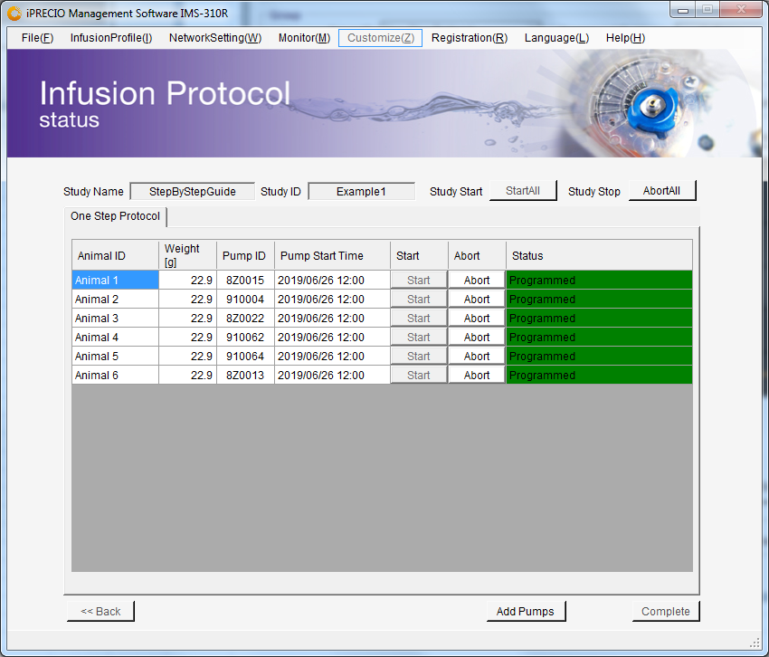

 | Exported csv file when Status <Programmed> in dark Green
 | Programmed Light Green - ready to implant but no <Received a schedule Log>
 | Programmed Dark Green - ready to implant with <Received a schedule Log>
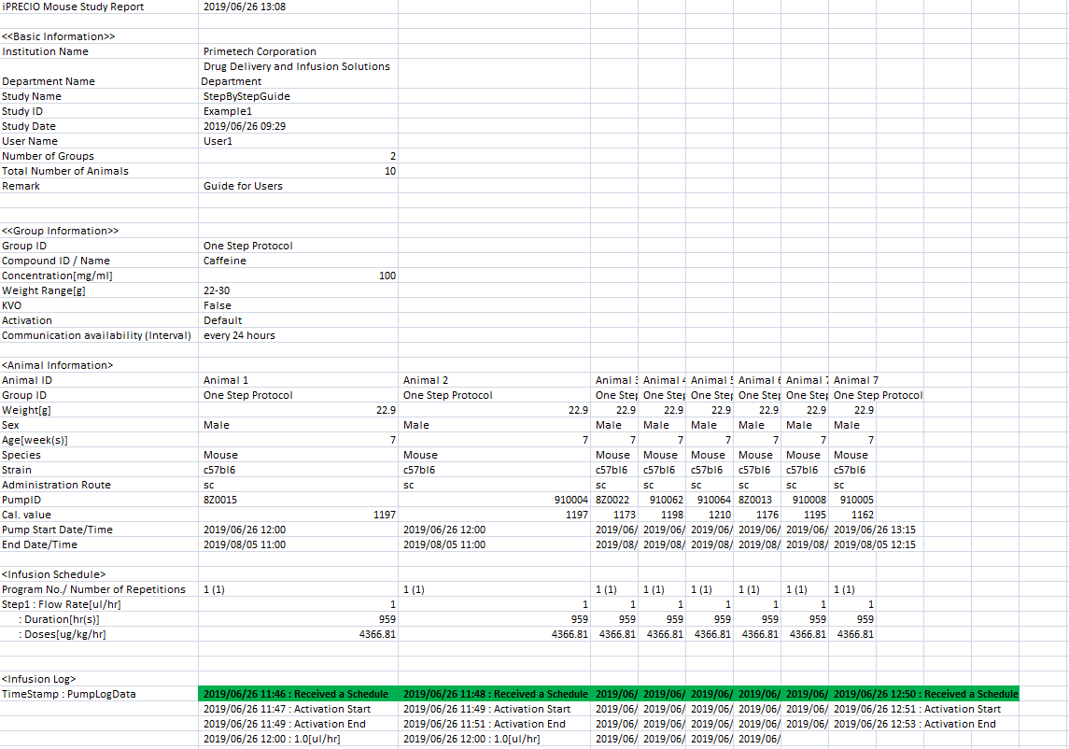

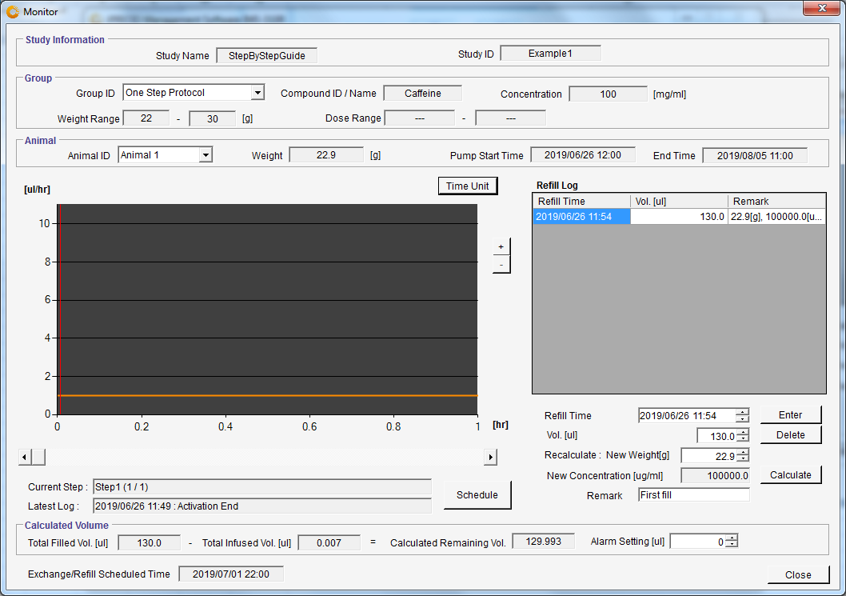
 | Monitor the pump status Pg 45 of User Manual
 | Graph Mode

 | Current Step - Step 1
 | Log showing activation Log

 | Logs from Animal 1
 | Default activation - pump activates immediately after programmed
 | Programmed start time of 2019/06/26

 | Detailed description of how to use <Current Step> and <Current Log> information in Page 45 of User Manual
 | When monitoring - best to use Current as indicator of pump infusion status as pump is pre-programmed and not dependent on when pump logs are received.

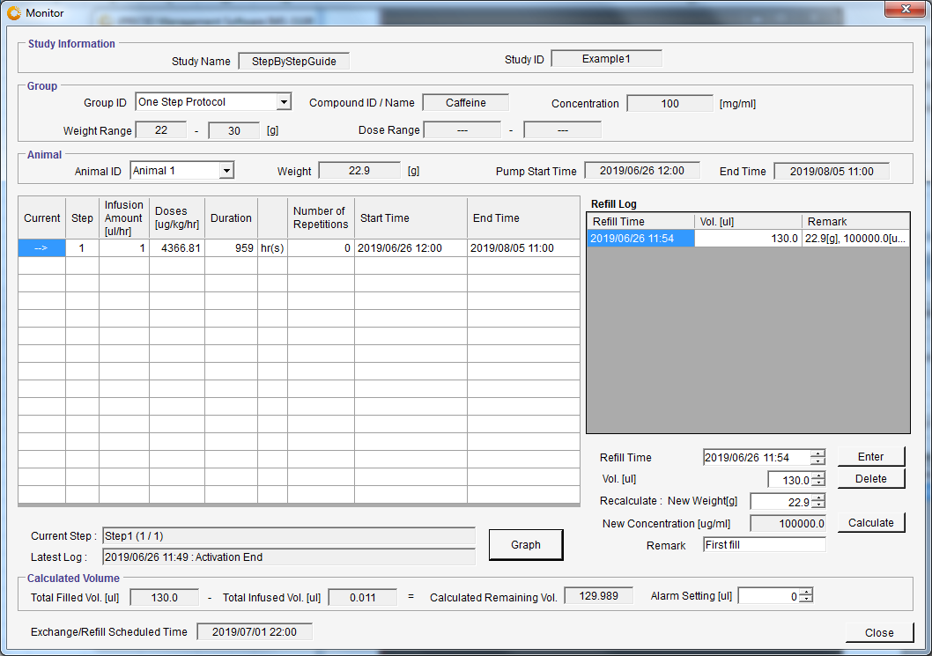
 | Monitor the pump status Pg 45 of User Manual
 | Schedule Mode

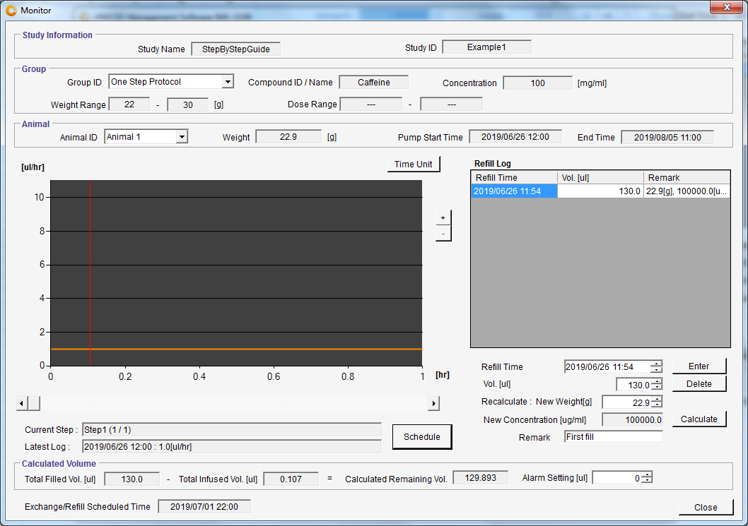

 | Current Step - Step 1
 | Log showing First Step of Administration -201/06/26 1200 1.0ul/hr

3 Group ID with ADD PUMPS
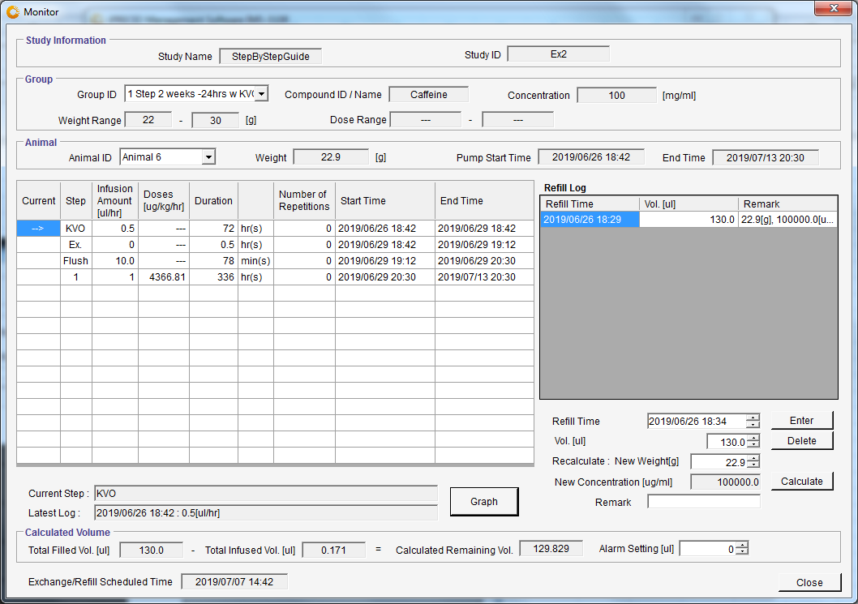
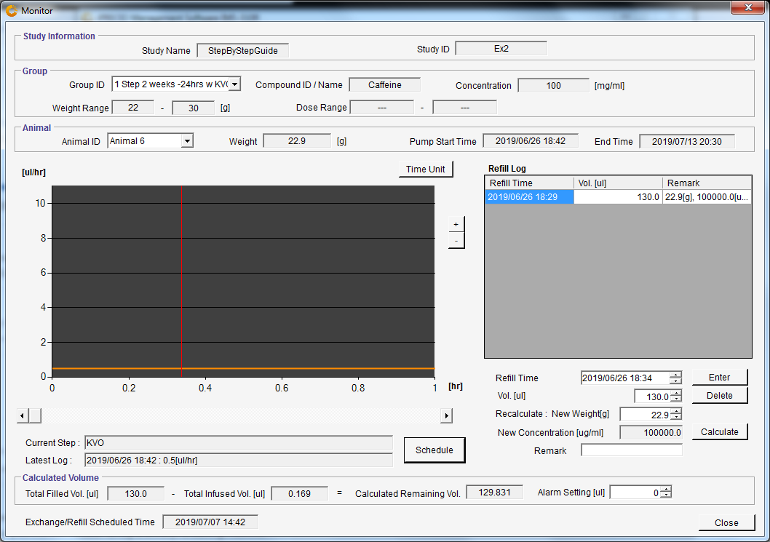
 | Manual page number and procedure. See also <One Step Protocol> Tab for more detailed example.
 | User Manual Pg 6-About iPRECIO (Important)
 | User Manual Pg 9-11 Workflow manual

 | User Manual Pg 31
 | Run IMS-310R Application Software
 | Before Starting a Study Pg 24 User Manual
 | Create <Infusion Profile> /Group ID Pg 25
 | In this example, Defaut Activation will be used where catheter connection and pump filling will carried out prior to <Start All> to program the pumps. See page 26 and 33 of User Manual
 | Open <Infusion Profile> menu and click <Add>

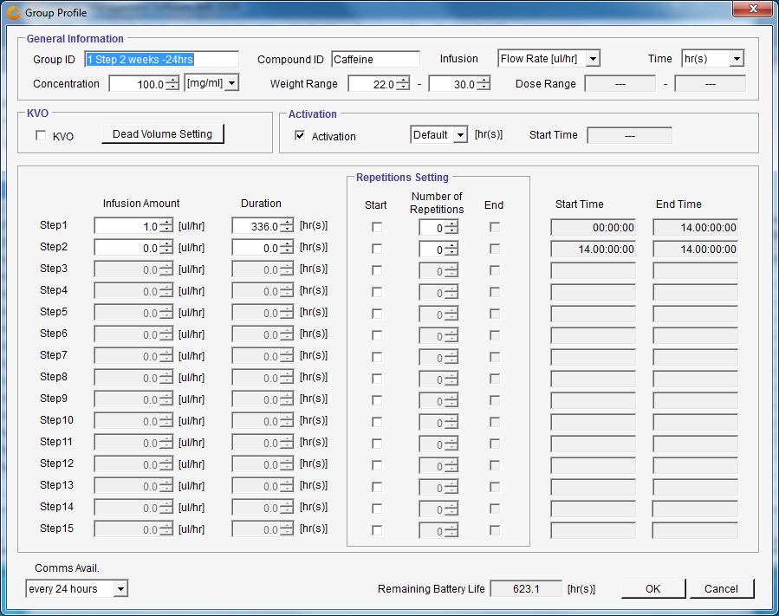
 | User Manual Pg 27 User Manual
 | Group Profile -1 Step 2 weeks -24hrs

 | Activation Setting - Not Changed from Default Setting

 | Change Comms Avail.
 | <every 24 hours>

 | One step protocol without using KVO with Dead Volume Setting
 | Two logs for start of flow step and end / See appendix E How to use log data on pg 65 to 69
 | 336 hrs duration
 | 14days

 | Fill
 | Group ID
 | Compound ID
 | Concentration
 | Infusion (uL/hrs)
 | Time (hrs)
 | weight range
 | Click <OK> to save to be used later

 | Note
 | To collect logs, PC IMS-310R Application Software and UCD must always be ON

 | Programmed to maximum battery of pump where battery life is showing a positive number in black.
 | 24 hour communication availability

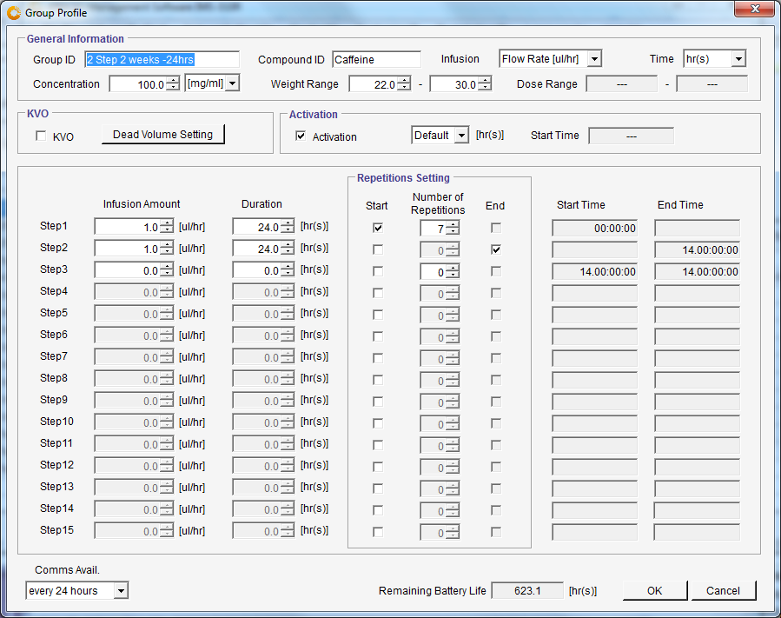
 | Group Profile -2 Step 2 weeks -24hrs

 | Activation Setting - Not Changed from Default Setting

 | Change Comms Avail.
 | <every 24 hours>

 | Two step repeating protocol without using KVO with Dead Volume Setting
 | 14 flow step logs created - a log every step (24 hours) and end / See appendix E How to use log data on pg 65 to 69
 | 336 hrs duration
 | 14days
 | Infusion Protocol is basically the same as Group ID 1 Step 2 weeks -24hrs but with more pump logs.

 | Fill
 | Group ID
 | Compound ID
 | Concentration
 | Infusion (uL/hrs)
 | Time (hrs)
 | weight range
 | Click <OK> to save to be used later

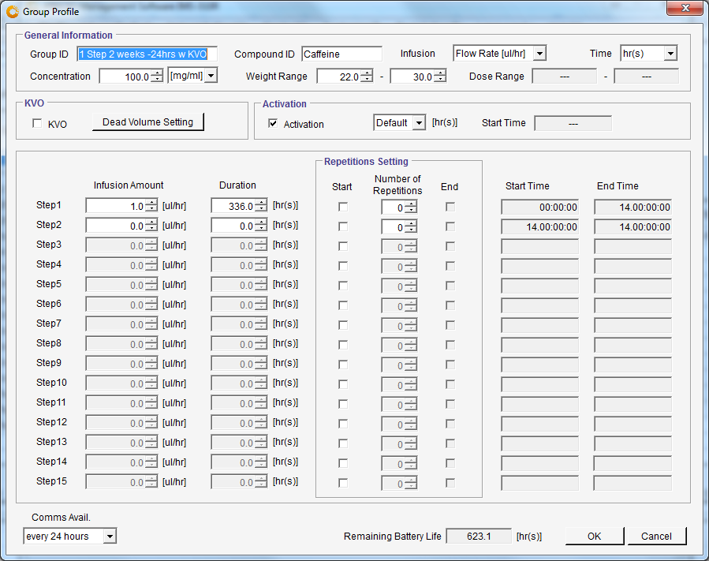
 | Group Profile -1 Step 2 weeks -24hrs w KVO
 | Open previous saved <Group Profile -1 Step 2 weeks -24hrs>
 | Modify Name by adding <w KVO>
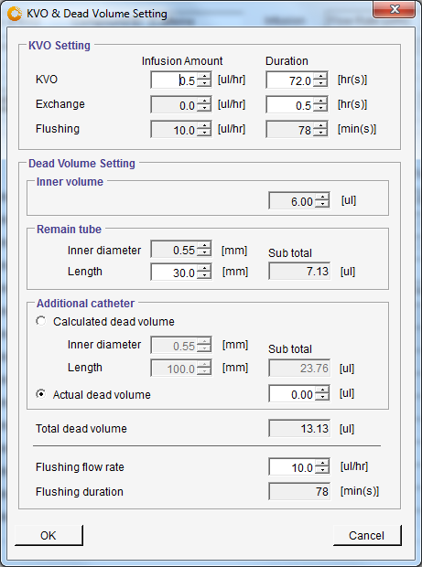
 | Leave previously filled items for Group Profile -1 Step 2 weeks -24hrs
 | Click < Dead Volume Setting> - See User Manual Page 29 - KVO & Dead Volume Seeting in Group ID/Group Profile

 | Fill KVO setting amount - ul/hour - 0.5, 72
 | Exchange Duration - 0.5
 | Accurately Enter accurate/correct remaining catheter length of pumps for study
 | If added, add additional catheter
 | Flushing Duration is automatically calculated by software based on Total Dead Volume and Flushing Flow-rate
 | Check everything correctly filled then click <OK> to close

 | Then Select KVO checkbox.
 | This copies the information from KVO & Dead Volume Setting to Group Profile (Group ID)

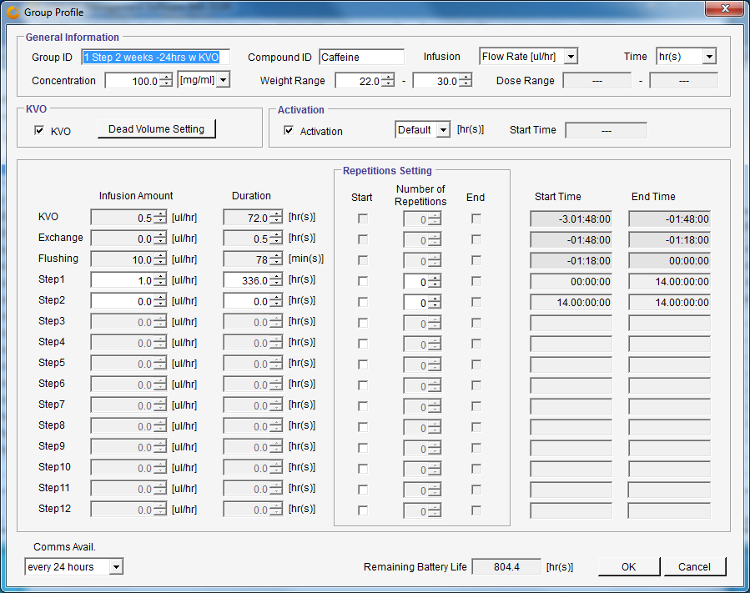
 | Group Profile -1 Step 2 weeks -24hrs w KVO
 | Completed protocol - Click <OK> to save.

 | These 3 group ID or profiles will then be used in this example Study

 | Pump start time will therefore be 3 days 1 hour and 48 minutes before start administation time which is shown as Step 1
 | See Page 37 of User Manual

 | With all 3 Group IDs decided and programmed, it is now possible to start a new study
 | If surgery dates being planned, consider the Preliminary Implantation for SMP-310 Pumps on Pg 30 of User Manual

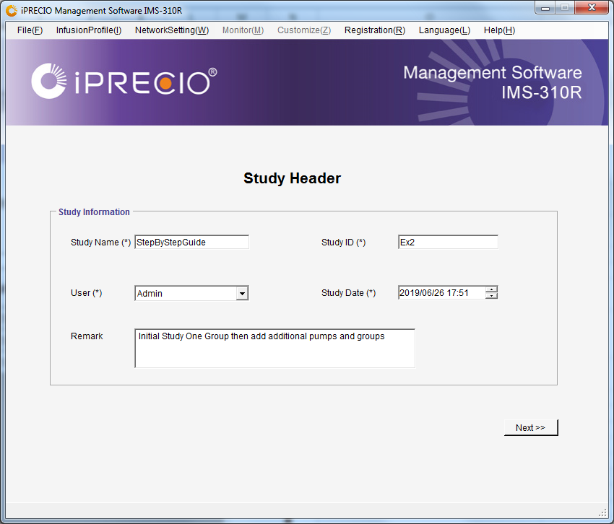
 | Manual page number and procedure
 | User Manual Pg 6-About iPRECIO (Important)
 | User Manual Pg 9-11 Workflow manual

 | User Manual Pg 31
 | Run IMS-310R Application Software
 | File(F) Click <New>
 | Starts New Study
 | Fill in details

 | User Manual Pg 22
 | Click <Network Setting>
 | Click <Connect>
 | Network Setting <Connected>
 | Means connection to UCD OK

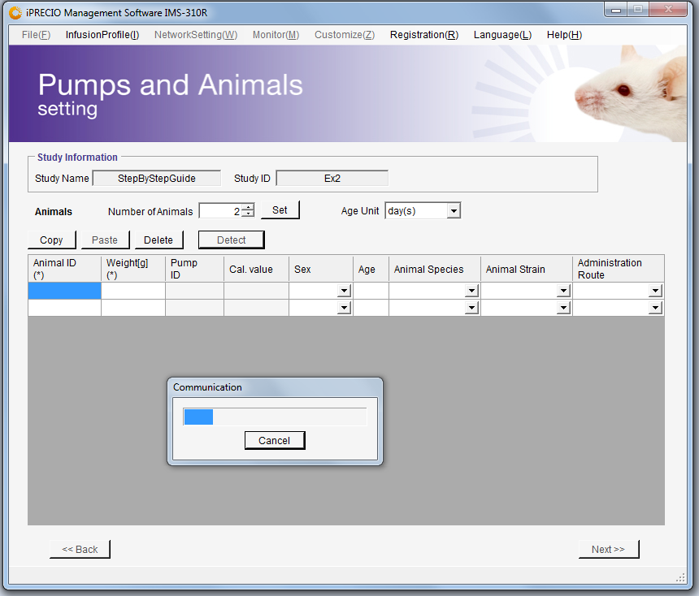
 | User Manual Pg 32
 | Number of Animals
 | Modify to 6 and fill as appropriate
 | Click <Set> and <Detect>

 | Pump S/N (Filled automatically) /User Manual Pg 32
 | Pump Cal Factor (Filled automatically)
 | Fill fields
 | Animal ID
 | Weight
 | Sex
 | Animal species
 | Animal Strain
 | Administration Route
 | Important to make sure pump is associated with right animal and modify if required.

 | Possible to fill during detection process or wait for pumps to be detected first

 | Next Step is Preparing Pump and Catheter, see User Manual Page 33. See also relevant Surgical Tech Note.
 | Option (A) where Default Activation is used.
 | Pumps will need to taken out of their blister packs in a sterile environment.
 | Cut Catheter to length and add additional catheter if required.
 | Fill all pumps with Test Article (TA) or Drug prior to switching ON pump in process described on Page 35 of User Manual

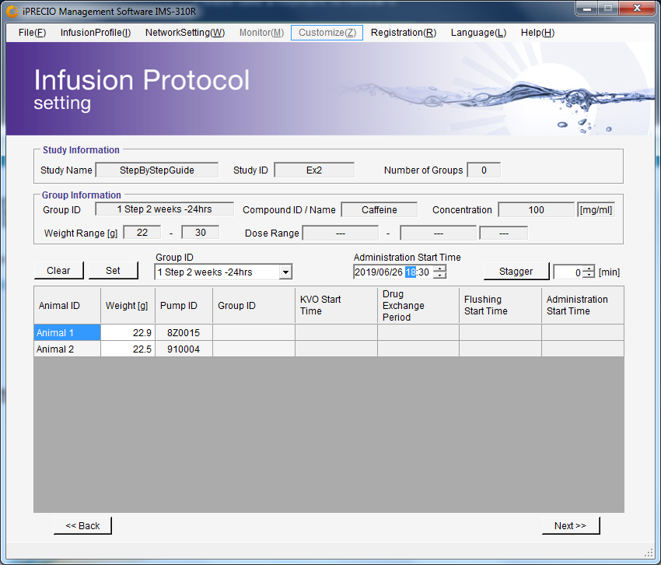

 | Switch ON prepared and filled pumps with iPRECIO Magnet, User Manual Page 35

 | IMS-310R Application Software should also be in Pump Detecting Mode as outlined earlier.
 | As pumps are switched ON, pumps SN and calibration factor are collected.
 | Following this process will be the most efficient to detect the pumps quickly.

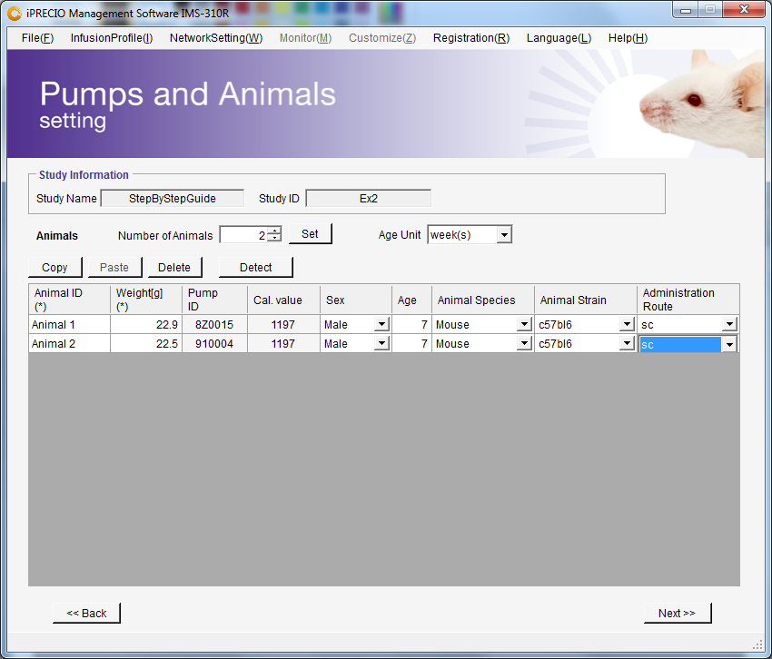
 | Pump S/N (Filled automatically) as pumps detected
 | Pump Cal Factor (Filled automatically) as pumps detected
 | Click <Next>

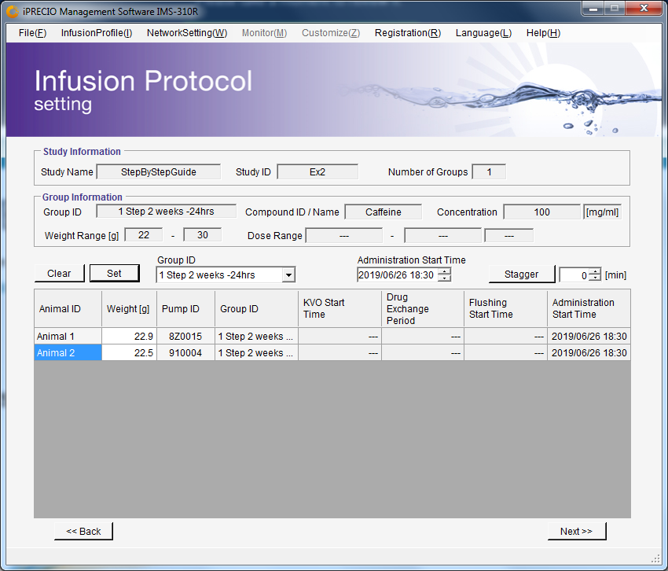
 | Infusion Protocol Setting. See page 37 of User Manual
 | In this one step protocol example. KVO was not programmed and therefore only Administration Start Time required
 | Select Group ID to assign to animal (pump)- Important to make sure pump is associated with right animal and modify if required.
 | Modify Administration Start Time to required time
 | Click on Animal (pump) for assignment and click <Set>
 | Repeat process as required until all animals (pumps) are <Set> with correct Group ID(s) and start time(s)

 | User Manual Pg 14
 | See table on page 14
 | Require 5 minutes to 30 minutes to program pumps
 | Start programming pumps at 1 hour before planned surgery to have some margin
 | In example, <Start All> should be clicked before or on 1730
 | Once all completely filled, click <Next>

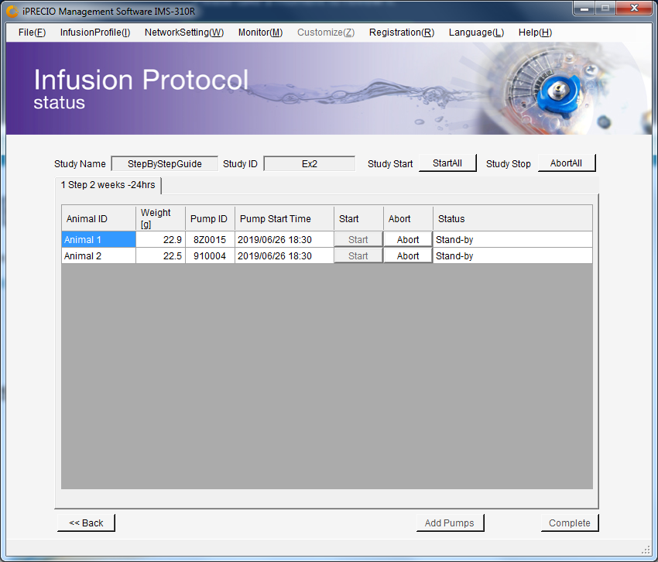
 | User Manual Pg 39-40
 | Click <Start All> before or on 1730 June 26th 2019
 | This will allow enough time for all pumps to be programmed
 | Pumps may be implanted after Light Green if record of programming not required. Screenshot of Infusion Protocol Status is an option.

 | After all pumps complete programmed (Dark Green), <Received a schedule> log from pumps received.

 | Export logs after all pumps go dark green

 | User Manual Pg 49
 | Click File(F) <Export>
 | Export Study File with logs
 | For your records. Note that logs only available afer pumps status is Dark Green or Deep Sky Blue. See appendix F pg 70.
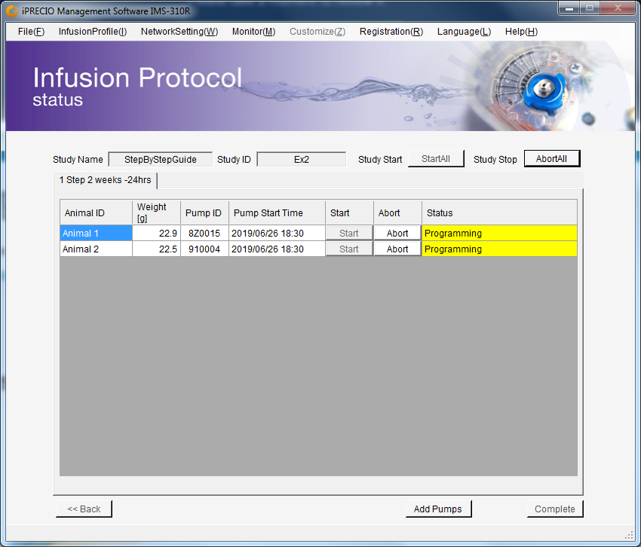

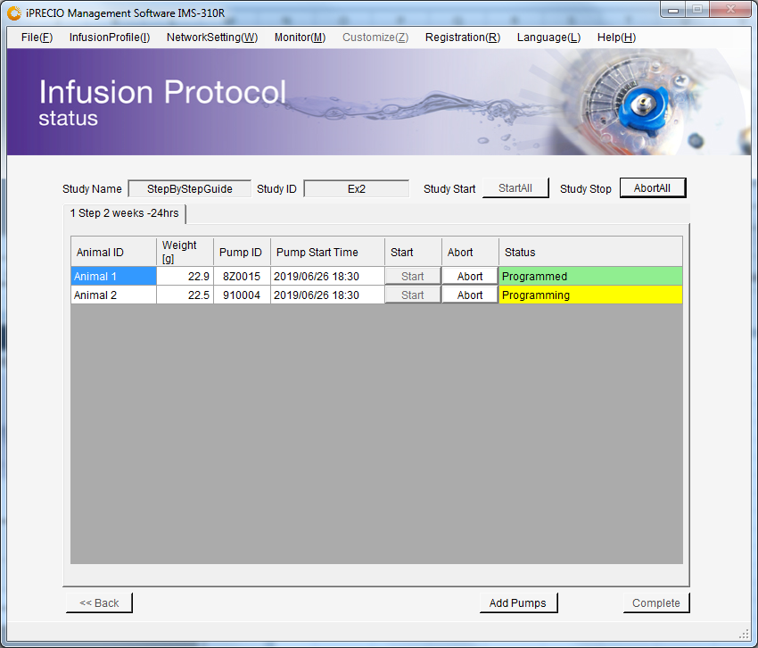

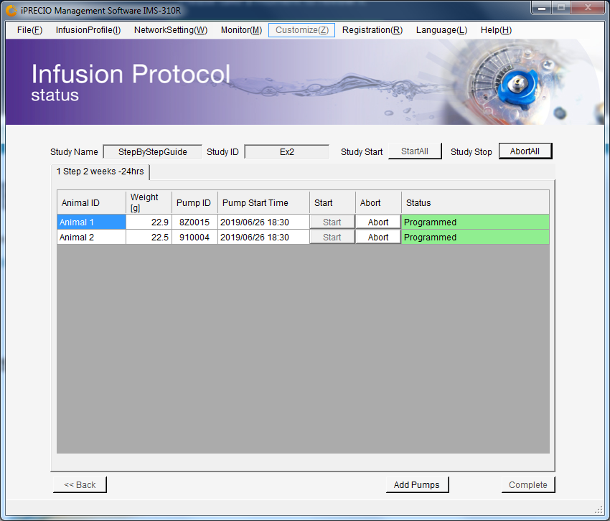

 | Exported csv file when Status <Programmed> in dark Green
 | Programmed Light Green - ready to implant but no <Received a schedule Log>
 | Programmed Dark Green - ready to implant with <Received a schedule Log>

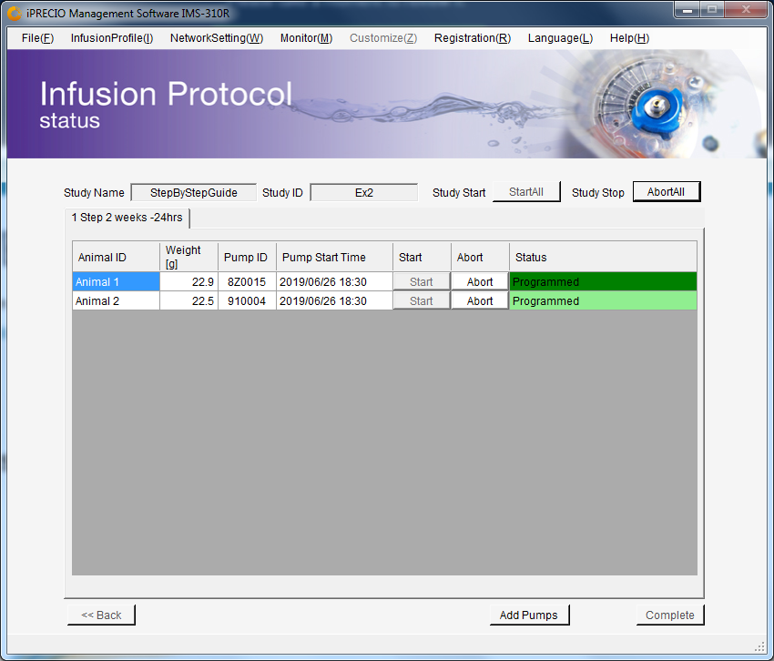

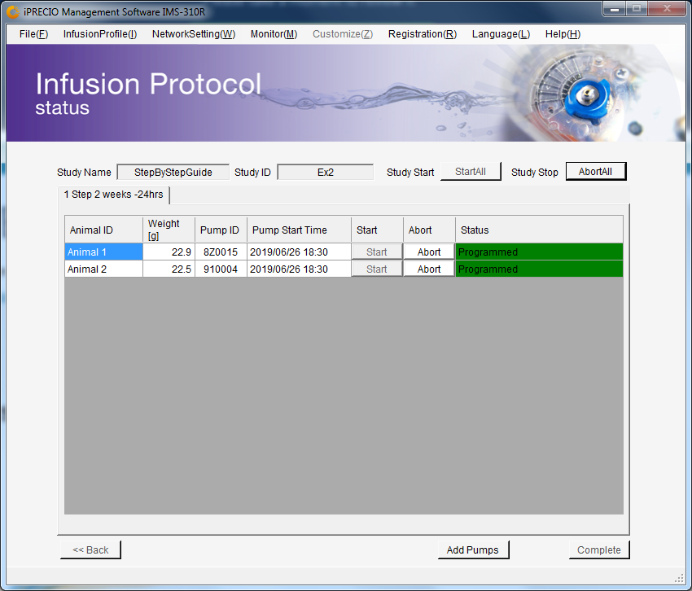
 | csv export - Pg 49 User Manual
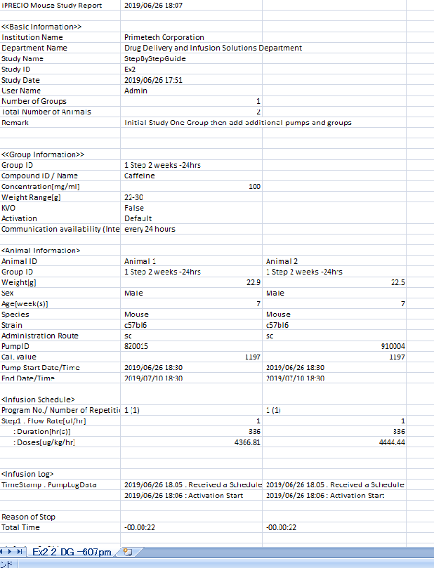

Before <Add pumps>, prepare in advance as per earlier section
Workflow Page 9-11
Before Starting a new study page 24

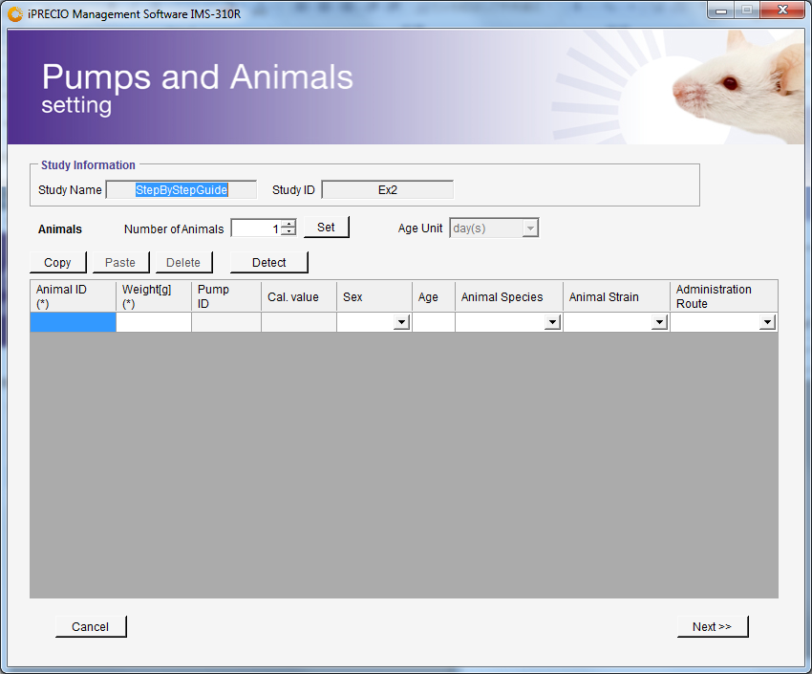
 | Default Activation Setting
 | Next Step is Preparing Pump and Catheter, see User Manual Page 33. See also relevant Surgical Tech Note.
 | Option (A) where Default Activation is used.
 | Pumps will need to taken out of their blister packs in a sterile environment.
 | Cut Catheter to length and add additional catheter if required.
 | Fill all pumps with Test Article (TA) or Drug prior to switching ON pump in process described on Page 35 of User Manual

 | <Add Pumps>
 | Fill in required information in Pumps and Animals Setting
 | Number of Pumps - Add Pumps - Five (5). Animal 3 to Animal 7. See later for more details.

 | Click <Detect>
 | IMS-310R Application Software should also be in Pump Detecting Mode as outlined earlier.

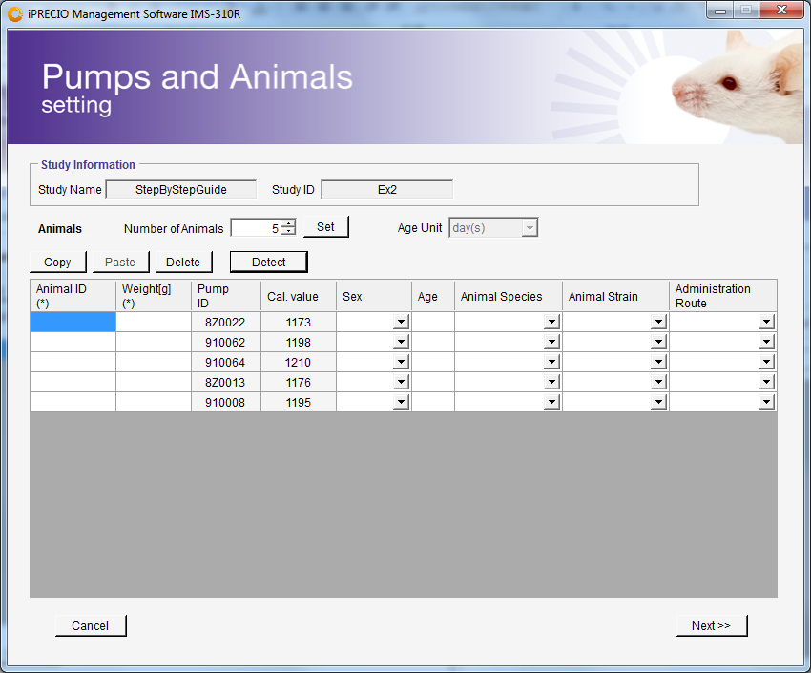
 | Switch ON prepared and filled pumps with iPRECIO Magnet, User Manual Page 35
 | As pumps are switched ON, pumps SN and calibration factor are collected.
 | Following this process will be the most efficient to detect the pumps quickly.

 | Pump S/N (Filled automatically) as pumps detected
 | Pump Cal Factor (Filled automatically) as pumps detected

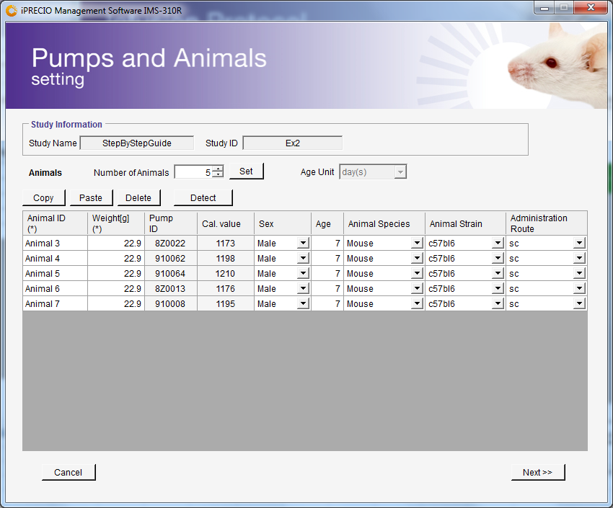

 | Click <Next>

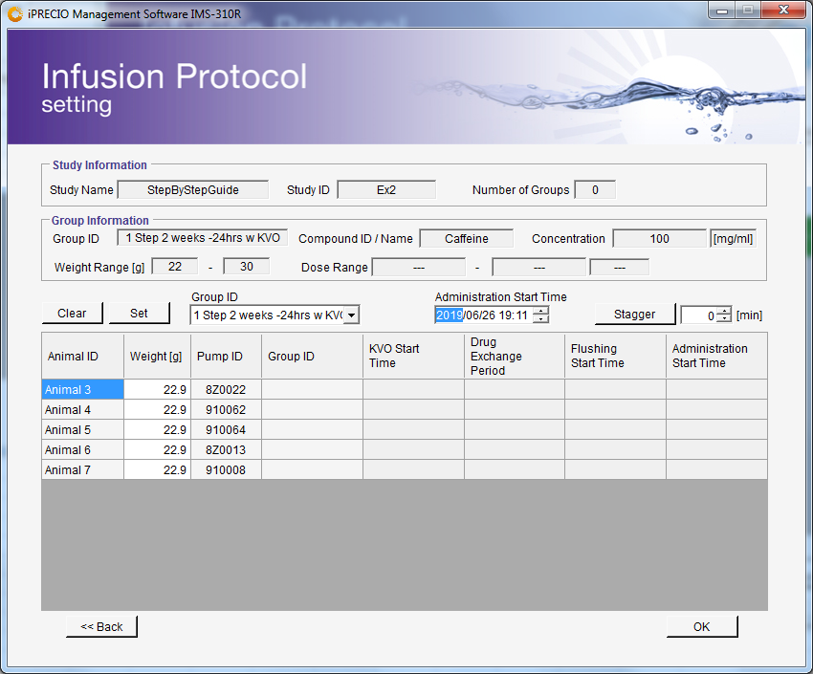

 | Adding Pumps to StepByStep Guide Ex2.
 | Group ID 1 Step 2 Weeks - 24hours (study already started with this group)
 | Animal 1 and Animal 2
 | Add 5 more animals/pumps from Animal 3 to Animal 7

 | Group IDs decided and programmed before Start of Study.

 | Animal 3 assigned to Study with same Group ID <1 step 2 weeks - 24hrs
 | Animal 4 and Animal 5 assgined to Group ID <2 step 2 weeks - 24 hrs>
 | Animal 5 and Animal 6 assgined to Group ID <1 step 2 weeks - 24 hrs w KVO>

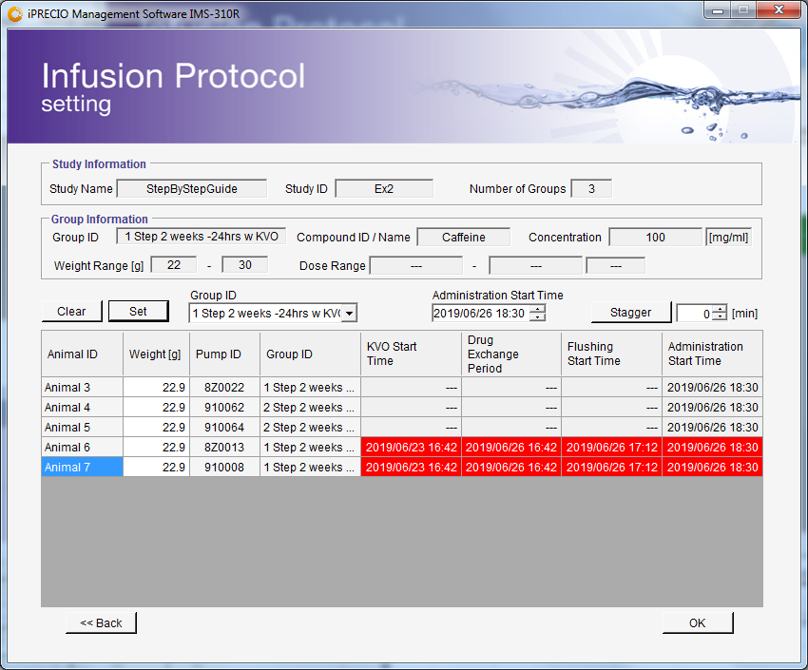
 | For the following - straight forward like initial group as without KVO
 | Animal 3 assigned to Study with same Group ID <1 step 2 weeks - 24hrs
 | Animal 4 and Animal 5 assgined to Group ID <2 step 2 weeks - 24 hrs>

 | Group ID <1 step 2 weeks - 24 hrs w KVO>
 | Animal 5 and Animal 6 will have a KVO Start Time, Drug Exchange Period and Flushing Start Time in addition to Administration Start Time
 | KVO Start Time, Drug Exchange Period and Flushing Start Time are calculated automatically by Application Software based on Administration Start Time and Group ID information. 3 days 1 hour and 48 minutes before Administration Start Time for KVO Start
 | If Pump Start Time or KVO start time has already elapsed - dates and times are highlighted in red as shown.
 | See User Manual pages 37 & 38. In the highlighted example, it was impossible for Administration Start Time to be met.

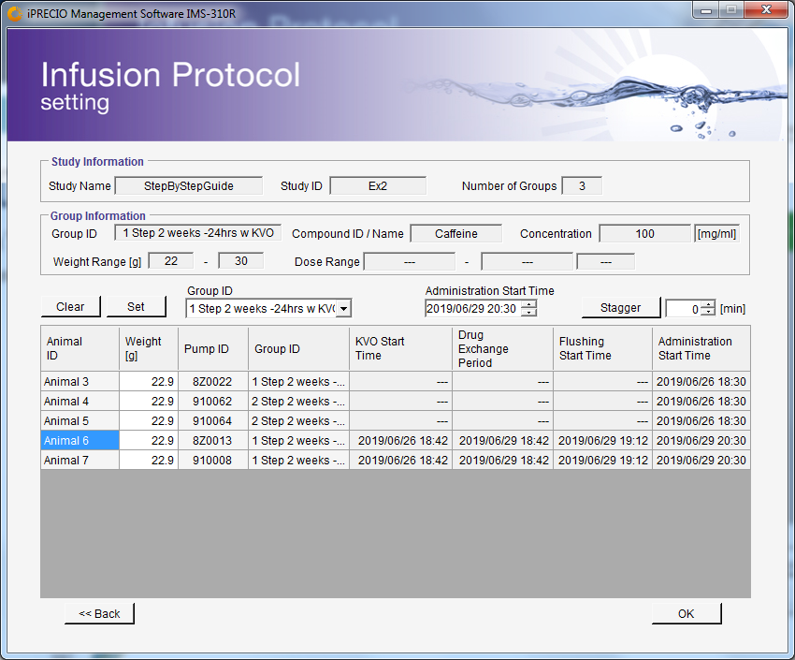





 | In the example to the left, it was necessary to change the Administration Start Time to more than 3 days 1 hour and 48 minutes than before and this includes the programming time.
 | Once everything has been confirm with suffcient time to program the pumps, Click <OK> and confirm that pumps are to be added.


 | Then <Next> to go from Infusion Protocol Setting to Infusion Protocol Status




 | Then <Start All> to start the programming process of the additional 5 pumps to the following Group IDs.

 | Animal 3 added to Group ID <1 Step 2 weeks - 24hrs> tab which already had 2 animals/pumps





 | Animal 4 and Animal 5 created in Group ID <2 Step 2 weeks - 24hrs> tab




 | Animal 6 and Animal 7 created to Group ID <1 Step 2 weeks - 24hrs w KVO> tab




 | Monitor Mode - 1 Step 2 weeks -24 hours - Animal 1



 | Monitor Mode - 2 Step 2 weeks -24 hours - Animal 4



 | Monitor Mode - 1 Step 2 weeks -24 hours w KVO - Animal 6

Abort and Reprogram


 |  | Study started with one pump delayed - Deep SkyBlue - Animal 1 PUMP ID 8Z0015
 |  | How to abort and re-program and start. See also page 52 of User Manual - How to Re-Program a pump

 |  | <Abort> Animal 1 Pump ID 8Z0015



 |  | Click <OK> to Abort

 |  | Once Aborted Need to Use Utility Pump Database Manager2

Status before abort | Status after abort



 |  | Condition STATE_ERROR needs to be modified to STATE_NEW



 |  | Condition STATE_ERROR needs to be modified to STATE_NEW
 |  | Then Click on <Save>

 |  | Status of Pump 8Z0015 showing as STATE_NEW and STATE_IDLE may be re-detected and re-programmed

 |  | Then return to iPRECIO Management Software IMS-310R
 |  | Use <Add Pumps> Pg 42 of User Manual
 |  | Setup for Animal and make sure that pump which is detected is the same PUMP ID 8Z0015





 |  | Use <Add Pumps> Pg 42 of User Manual
 |  | Setup for Animal and make sure that pump which is detected is the same PUMP ID 8Z0015



 |  | Click <OK> as everything is correct with PUMP ID and Animal ID
 |  | Setup for Animal and make sure that pump which is detected is the same PUMP ID 8Z0015



 |  | Now Select Correct Group ID and Administation Start Time to ensure they are programmed in time.
 |  | This time pump programmed to have same Administration Start Time which also means KVO start time is the same

 |  | Click <OK> if everything checks out correctly to ADD PUMP



 |  | Click on <Start All> to start the programming process with Group ID and Start Times.



 |  | Animal 1 / PUMP ID 8Z0015 correctly reprogrammed and added back to same group.
 |  | Animal 2, 3 and 4 would have same KVO start time and Administration start time

 |  | Monitor Mode for Re-added Animal 1 and Utility Pump Database Manager 2

Scheduled Activation

Scheduled Activation Programme of -3 hour before Pump Start time |  | See User Manual Pages 9-11 and 26 | See Appendix F and G for detailed pump status information
Pump Start Time here is KVO start time as KVO was programmed |  | Pumps should be prepared and filled before activation time

Example here shows impact of using Scheduled Activation Time with respect to Pump Start Time |  | CSV exported file
As KVO is used, Pump Start Time is the KVO start time. If KVO not used, Pump Start tTime is administration Start Time |  | iPRECIO Mouse Study Report | 2019/06/27 17:59
Profile is similar to 3 Group ID with Add Pumps - Group ID -1 Step 2 weeks -24hrs w KVO (Default Activation)
In this example, instead of Default Activation, Activation of -3 hours before Pump Start Time (3 days 1 hour and 48 minutes before Administration Start Time). Activation Time therefore 3 days 4 hours and 48 minutes before Pump Start Time. See Group ID below. Every minute communication availability and 3 days of Administration Duration instead of 14 days. |  | <<Basic Information>>
 |  | Institution Name | Primetech Corporation
 |  | Department Name | Drug Delivery and Infusion Solutions Department
 |  | Study Name | StepByStepGuide
 |  | Study ID | Ex3
 |  | Study Date | 2019/06/27 16:02
 |  | User Name | Admin
 |  | Number of Groups | 1
 |  | Total Number of Animals | 5
 |  | Remark

 |  | <<Group Information>>
 |  | Group ID | 1s3D-3 -min w KVO
 |  | Compound ID / Name | Caffeine
 |  | Concentration[mg/ml] | 100
 |  | Weight Range[g] | 22-30
 |  | KVO | True
 |  | Activation | -3[hr(s)]
 |  | Communication availability (Interval) | every minute

 |  | <Animal Information>
 |  | Animal ID | Animal1 | Animal2 | Animal3 | Animal4
 |  | Group ID | 1s3D-3 -min w KVO | 1s3D-3 -min w KVO | 1s3D-3 -min w KVO | 1s3D-3 -min w KVO
 |  | Weight[g] | 22.9 | 22.9 | 22.9 | 22.9
 |  | Sex | Male | Male | Male | Male
 |  | Age[week(s)] | 3 | 3 | 3 | 3
 |  | Species | Mouse | Mouse | Mouse | Mouse
 |  | Strain | balb/c | balb/c | balb/c | balb/c
 |  | Administration Route | sc | sc | sc | sc
 |  | PumpID | 8Z0015 | 910004 | 8Z0022 | 910062
 |  | Cal. value | 1197 | 1197 | 1173 | 1198
 |  | Pump Start Date/Time | 2019/06/27 16:21 | 2019/06/27 16:42 | 2019/06/27 20:42 | 2019/06/27 20:42
 |  | End Date/Time | 2019/07/03 18:09 | 2019/07/03 18:30 | 2019/07/03 22:30 | 2019/07/03 22:30

 |  | <Infusion Schedule>
 |  | Program No./ Number of Repetitions (n) | 1 (1) | 1 (1) | 1 (1) | 1 (1)
 |  | KVO : Flow Rate[ul/hr] | 0.5 | 0.5 | 0.5 | 0.5
Group ID with Activation Set to -3 hours before Pump Start Time or KVO Start Time. |  | : Duration[hr(s)] | 72 | 72 | 72 | 72
Activation of -3 hours before Pump Start Time (3 days 1 hour and 48 minutes before Administration Start Time). | \ | : Doses[ug/kg/hr] | --- | --- | --- | ---
Activation Time therefore 3 days 4 hours and 48 minutes before Pump Start Time. |  | Program No./ Number of Repetitions (n) | 2 (1) | 2 (1) | 2 (1) | 2 (1)

 |  | Exchange : Flow Rate[ul/hr] | 0 | 0 | 0 | 0
 |  | : Duration[hr(s)] | 0.5 | 0.5 | 0.5 | 0.5
 |  | : Doses[ug/kg/hr] | --- | --- | --- | ---
 |  | Program No./ Number of Repetitions (n) | 3 (1) | 3 (1) | 3 (1) | 3 (1)
 |  | Flushing : Flow Rate[ul/hr] | 10 | 10 | 10 | 10
 |  | : Duration[min(s)] | 78 | 78 | 78 | 78
 |  | : Doses[ug/kg/hr] | --- | --- | --- | ---
 |  | Program No./ Number of Repetitions (n) | 4 (1) | 4 (1) | 4 (1) | 4 (1)
 |  | Step1 : Flow Rate[ul/hr] | 1 | 1 | 1 | 1
 |  | : Duration[hr(s)] | 72 | 72 | 72 | 72
 |  | : Doses[ug/kg/hr] | 4366.81 | 4366.81 | 4366.81 | 4366.81

 |  | <Infusion Log>
 |  | TimeStamp : PumpLogData | 2019/06/27 16:24 : Received a Schedule | 2019/06/27 16:22 : Received a Schedule | 2019/06/27 16:21 : Received a Schedule | 2019/06/27 16:22 : Received a Schedule | Received a schedule is pump programmed date and time
 |  | Activation immediately after pump programmed as less than 3 hours before pump start time which is KVO start time | 2019/06/27 16:25 : Activation Start | 2019/06/27 16:23 : Activation Start | 2019/06/27 17:42 : Activation Start | 2019/06/27 17:42 : Activation Start | 3 hours before programmed pump start time which is KVO Start Time
 |  |  | 2019/06/27 16:27 : Activation End | 2019/06/27 16:25 : Activation End | 2019/06/27 17:44 : Activation End | 2019/06/27 17:44 : Activation End
 |  |  | 2019/06/27 16:27 : 0.5[ul/hr] | 2019/06/27 16:42 : 0.5[ul/hr]

 |  | Reason of Stop
 |  | Total Time |  | 00.01:17 | -00.02:42 | -00.02:42

 |  | <Infusion Refil Log>
 |  | TimeStamp : RefillVol[ul] : NewWeight[g] : NewConcentration : Remark

 |  | <Time Stamps>
 |  | Administration StartAll | 2019/06/27 16:20 | 2019/06/27 16:20 | 2019/06/27 16:20 | 2019/06/27 16:20
 |  | Administration AbortAll
 |  | Individual Start
 |  | Individual Abort



Infusion Protocol Setting was programmed to demonstrat impact of <Infusion Protocol Setting> Times, Group ID and <Start All> in Infusion Protocol Status |  |  | In this example Pumps should have been filled before | In this example Pumps should have been filled before | In this example Pumps should have been filled before | In this example Pumps should have been filled before
 |  |  | 2019/06/27 16:25 : Activation Start | 2019/06/27 16:23 : Activation Start | 2019/06/27 17:42 : Activation Start | 2019/06/27 17:42 : Activation Start

 |  |  | Pump activated immediately after programmed as less -3 hours before pump start time | Pump activated immediately after programmed as less -3 hours before pump start time | Pump activated -3 hours before pump start time of 2042 as programmed. | Pump activated -3 hours before pump start time of 2042 as programmed.

 |  |  | Pump started immediately as Pump Start Time or KVO Start Time had elapsed. | Pump started as programmed at 1642 at 0.5ul/hr | Pump has not started yet as start time has not occurred | Pump has not started yet as start time has not occurred
 |  |  | Deep SkyBlue | Dark Green | Dark Green | Dark Green
 |  | ANIMAL No | Animal1 | Animal2 | Animal3 | Animal4
 |  | PUMP SN | 8Z0015 | 910004 | 8Z0022 | 910062

 |  | <Start All> was after 1612 but well before 1642

1 step 2 weeks - 24hrs w KVO - Default Activation |  | 1s 3D - min w KVO - minus 3 hours (-3) activation

 |  |  |  |  | KVO
 |  |  |  |  | Exchange
 |  |  |  |  | Flushing

 |  |  |  |  | 14 days and 3 days

