Sheet1
How to use this spreadsheet: | Enter values in the yellow highlighted cells

Adjustment Factor formula by Fenn and Drorbaugh | TA | the animal temperature in kelvin
 | PA | the saturation vapor pressure of water at TA in mmHg
 | TC | the chamber temperature in kelvin
 | PC | the vapor pressure of water at TC taking the relative humidity into account in mmHg
 | PB | the atmospheric pressure in mmHg

Vapor Pressures are calculated using a 6th order polynomial (Flatau et.al, 1992)
coefficients a1 | 6.1117675000000000000
coefficients a2 | 0.4439860620000000000
coefficients a3 | 0.0143053301000000000
coefficients a4 | 0.0002650272420000000
coefficients a5 | 0.0000030224699400000
coefficients a6 | 0.0000000203886313000
coefficients a7 | 0.0000000000638780966

Vapor pressure chamber in millibars | 29.1037 | Flatau equation
Vapor pressure chamber in mmHg | 21.8296

vapor pressure animal in millibars | 62.2786 | Flatau equation
Vapor pressure animal in mmHg (PA SatVaporPatAnimalTemp) | 46.7128 | PA

Chamber Temp C | 23.58
Animal Temp C | 36.8500

TA AnimalTemp (Kelvin)(from Adv Attrib2) | 310.0000 | TA
PB AtmP (from Adv Attrib2) | 760.0000 | PB
Chamber RH (chan 3)(from RAW signal) | 33.3220
PC VaporPatChamberTemp | 7.2741 | PC

TC ChamberTemp (Kelvin)(from RAW signal) | 296.73 | TC
PA SatVaporPatAnimalTemp | 46.7128 | PA

TV (from RAW data) | 0.2130 | TV

 | Using Temp K
Adjustment Factor (s) | 10.757522512

Tidal Volume Adjust (TVadj) | 2.2913522951

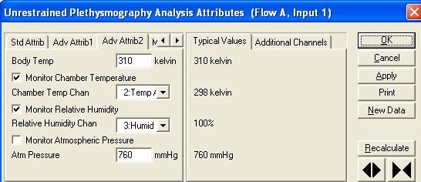

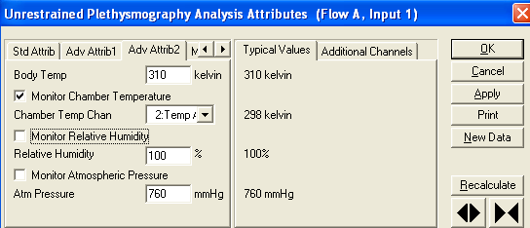

 |  |  | Reported RH if derived parameter selected
 |  |  | but not used in Tvadj calculation
 |  |  | if this is not selected.

Ponemah Adjust value:

Tvadj / TV = Adj value
2.292 / 0.213 = 10.76056

2.837 / 0.213 = 13.31924

